SHOCK BEARING KIT
SHOCK BEARING KITS

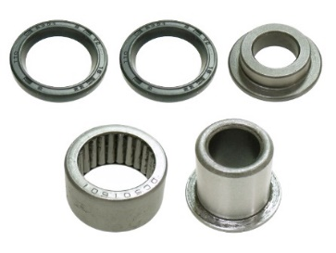
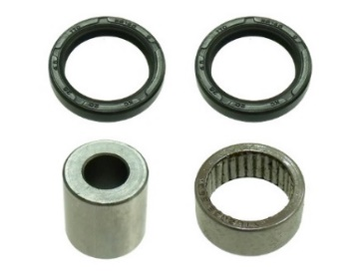
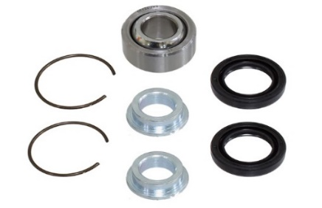

MX-04131
REF# 29-1003/
29-5022/ 29-5049
MX-04255
REF# 29-5025
AT-04323
REF# 29-1025
AT-04324
REF# 29-1020

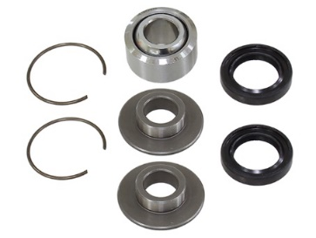
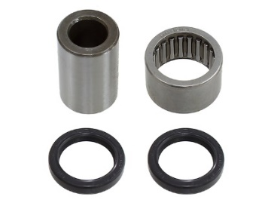
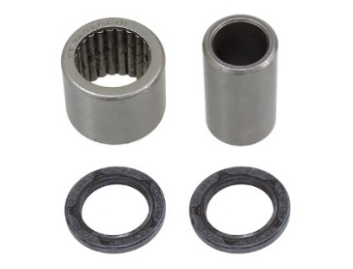
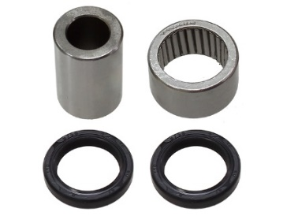

AT-04360
REF# 29-5027
AT-04361
REF# 21-0005
AT-04362
REF# 29-5072
AT-04363
REF# 29-5043

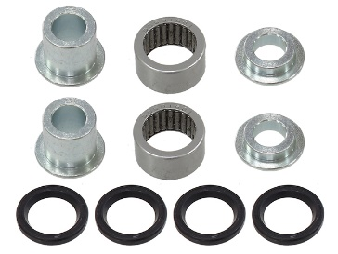
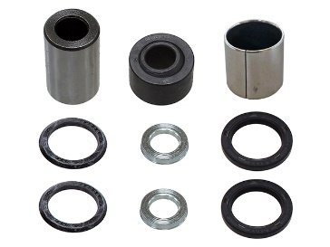
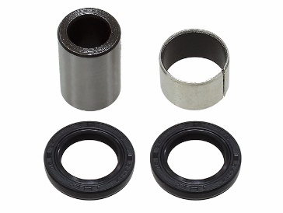
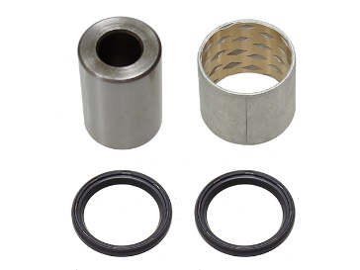

AT-04364
REF# 21-0002
AT-04365
REF# 21-0004
AT-04366
REF# 21-0006
AT-04367
REF# 21-1012

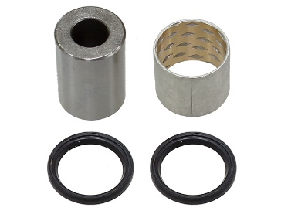
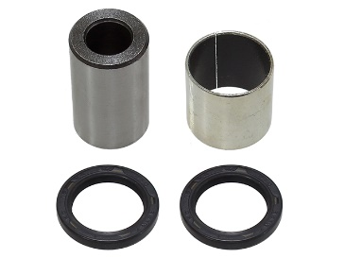
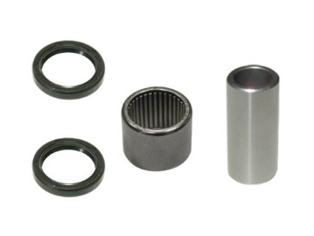
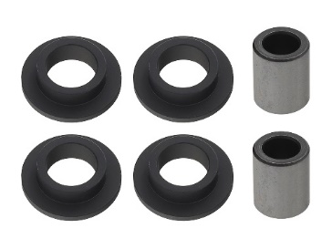

AT-04368
REF# 21-1013
AT-04369
REF# 21-0008
AT-04370
AT-04371
REF# 21-0001

APPLICATION | YEAR | FRONT |  | REAR
 |  | UPPER | LOWER | UPPER | LOWER
ARCTIC CAT
250 2X4 | 1999-05 |  | AT-04371 |  | AT-04371
250 4X4 | 2001-05 |  | AT-04371 |  | AT-04371
300 2X4 | 1998-04 |  | AT-04371 |  | AT-04371
300 4X4 | 1998-05 |  | AT-04371 |  | AT-04371
375 2X4 W/ AT | 2002 |  | AT-04371 |  | AT-04371
375 4X4 W/ AT | 2002 |  | AT-04371 |  | AT-04371
400 2X4 | 1998-01 |  | AT-04371 |  | AT-04371
400 4X4 | 1998-00 |  | AT-04371 |  | AT-04371
400 4X4 W/ AT | 2003-04 |  | AT-04371 |  | AT-04371
400 4X4 W/ MT | 2001-04 |  | AT-04371 |  | AT-04371
400 DVX | 2004-08 |  | AT-04369 |  | MX-04255

SHOCK BEARING KITS

APPLICATION | YEAR | FRONT |  | REAR
 |  | UPPER | LOWER | UPPER | LOWER
ARCTIC CAT
400 FIS 2X4 ALL | 2003-04 |  | AT-04371 |  | AT-04371
400 FIS 4X4 W/ AT | 2003-06 |  | AT-04371 |  | AT-04371
400 FIS 4X4 W/ MT | 2002-06 |  | AT-04371 |  | AT-04371
400 TBX 4X4 | 2004-06 |  | AT-04371 |  | AT-04371
400 VP 4X4 | 2005-06 |  | AT-04371 |  | AT-04371
454 2X4 | 1997-98 |  | AT-04371 |  | AT-04371
454 4X4 | 1996-98 |  | AT-04371 |  | AT-04371
500 4X4 | 1998-99 |  | AT-04371 |  | AT-04371
500 4X4 W/ AT | 2000-02 |  | AT-04371 |  | AT-04371
500 4X4 W/ MT | 2000-01 |  | AT-04371 |  | AT-04371
500 FIS 4X4 | 2002-06 |  | AT-04371 |  | AT-04371
500 FIS TBX 4X4 | 2002-06 |  | AT-04371 |  | AT-04371
500 FIS TRV | 2003-07 |  | AT-04371 |  | AT-04371
650 4X4 H1 | 2005-06 |  | AT-04371 |  | AT-04371
650 4X4 W/ AT V2 | 2004-06 |  | AT-04371 |  | AT-04371

HONDA
TRX400EX | 2008 |  | AT-04369
TRX400X | 2009-14 |  | AT-04369
TRX400EX | 1999-04 |  | AT-04365

KAWASAKI
KFX400 | 2003-06 |  |  |  | MX-04255
KFX400 | 2003-06 |  | AT-04369
KFX450R | 2008-14 |  | AT-04368 | AT-04323 | MX-04131
KVF650 I BRUTE FORCE | 2006-13 |  | AT-04367 |  | AT-04367
KVF650 PRAIRIE | 2002-03 |  | AT-04366
KFX 700 V-FORCE | 2004-09 |  | AT-04366
KVF750 BRUTE FORCE | 2005-21 |  | AT-04367 |  | AT-04367
KVF750 BRUTE FORCE EPS | 2012-22 |  | AT-04367 |  | AT-04367

SUZUKI
LT-R450 | 2006-11 | AT-04364 | AT-04364 | MX-04131 | MX-04255
LT-Z400 | 2003-14 |  | AT-04369 |  | MX-04255

YAMAHA
YFM350 WARRIOR | 1987-04 |  |  | AT-04324 | AT-04360
YFZ350 BANSHEE | 1987-09 |  |  | AT-04324 | AT-04360
YFZ450 | 2004-13 |  |  |  | AT-04363
YFZ450R | 2009-13 |  |  |  | AT-04363
YFZ450X | 2010-11 |  |  |  | AT-04363
YFM660R RAPTOR | 2001-05 |  |  | AT-04324 | AT-04360
YFM700R RAPTOR | 2006-17 |  |  | AT-04363 | AT-04362
KFX 700 V-FORCE | 2004-09 |  |  | AT-04361
UTV
YXM 700 VIKING | 2014-20 |  | AT-04370

